Request
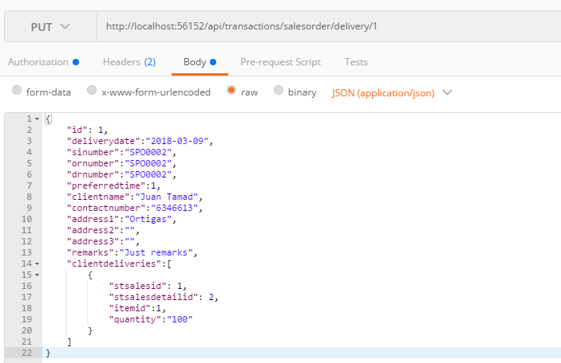
Parameter | Data Type | Length | Required | Unique | Remarks
Token | String |  | Yes |  | Bearer Token see AuthenticateAPI docu
Id | Int |  | Yes |  | STSales.Id
DeliveryDate | Int |  | Yes
SINumber | String |  | Yes
ORNumber | String |  | Yes
DRNumber | String |  | Yes
PreferredTime | Int |  | Yes
ClientName | String |  | Yes
Address1 | String |  | Yes
Address2 | String
Address3 | String
ContactNumber | Int |  | Yes
Remarks | String
ClientDeliveries | Array
STSalesId | Int |  | Yes |  | STSales.Id
STSalesDetailId | Int |  | Yes |  | STSalesDetail.Id
ItemId | Int |  | Yes |  | Item.Id
Quantity | Int |  | Yes

Example

Response
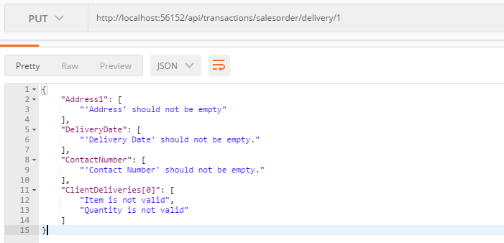
With Error

